Dala Sales & Deliveries
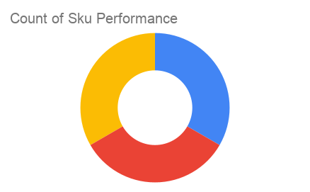
 |  |  |  |  |  | Total Invoices Delivered | 3.00 | Sku Performance | Units | Value
 |  |  |  |  |  | Unique Locations Supplied | 3.00 | 500ml Mixed Juice (1x) | 12.00 | 24,000.00
 |  |  |  |  |  | Total Value of orders | 108,000.00 | 500ml Pineapple Juice (1x) | 42.00 | 84,000.00
 |  |  |  |  |  |  |  | 500ml Orange Juice (1x) | 0.00 | 0.00
 |  |  |  |  |  |  |  |  | 0.00 | 0.00
 |  |  |  |  |  |  |  |  | 0.00 | 0.00
 |  |  |  |  |  |  |  |  | 0.00 | 0.00
 |  |  |  |  |  |  |  |  | 0.00 | 0.00
 |  |  |  |  |  |  |  |  | 0.00 | 0.00
 |  |  |  |  |  |  |  |  | 0.00 | 0.00
 |  |  |  |  |  |  |  |  | 0.00 | 0.00
 |  |  |  |  |  |  |  |  | 0.00 | 0.00
 |  |  |  |  |  |  |  |  | 0.00 | 0.00
Date | Vch No. | Particulars | item name | Quantity | Value

2025-02-10 | DT:002756 | D'Emperor Superstore | 500ml Pineapple Juice (1x) | 12.00 | 24,000.00
2025-03-10 | DT:002795 | Lady Ricky Catering Service/ Smooth and Sweet Swallow | 500ml Mixed Juice (1x) | 12.00 | 24,000.00
 |  |  | 500ml Pineapple Juice (1x) | 12 | 24,000.00
2025-08-10 | DT:002829 | Renees Supermarket, LEKKI CENTRAL MOSQUE | 500ml Pineapple Juice (1x) | 18.00 | 36,000.00

